Sheet1
5 | 2 |  | 9 | 7 |  | 3 |  | 8
 | 4 |  | 3 | 1 | 5 |  | 2 | 6
9 |  | 6 | 8 |  | 2 |  | 7
1 | 8 | 9 |  | 2 | 3 |  |  | 7
3 | 6 | 5 |  | 8 | 9 | 4 |  | 2
 |  |  |  | 6
4 | 9 |  | 6 | 5 |  | 2 | 8
 | 5 |  |  |  |  |  | 6 | 3
 |  |  |  | 3 |  |  |  | 4

Solution Puzzle for reference

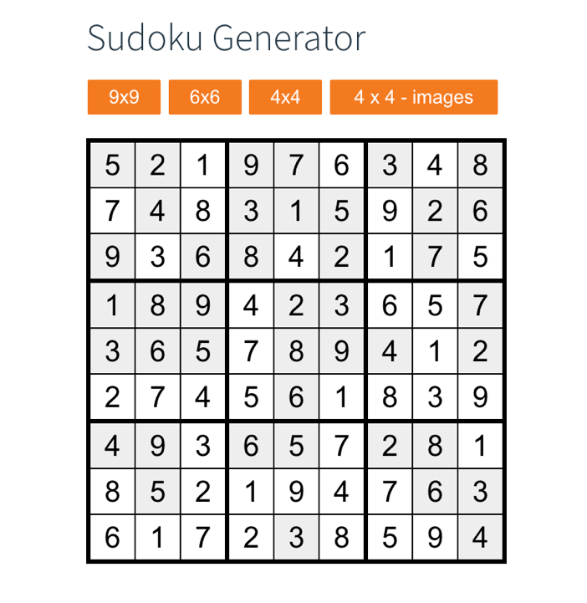 |  |  |  |  |  |  |  |  | *Note: the empty cells are red b/c conditional statement is to be red if number in cell is below 1 or over 9

